LOTTO D
SCARPA

 |  |  |  |  |  |  |  |  |  |  |  |  |  |  | € 210,810.00 | 1,220
KEY | Foto | PACK | SEQ CAMP | camp | SEA | GEN riclassificato | Categoria Prodotto | Codice Modello | Codice Variante | Codice Variante | GORE TEX | Descrizione | WHS | RRP | RRP AM | q.ty | 25 | 26 | 27 | 28 | 29 | 30 | 31 | 32 | 33 | 34 | 34.5 | 35 | 35.5 | 36 | 36.50 | 37 | 37.50 | 38 | 38.50 | 39 | 39.50 | 40 | 40.50 | 41 | 41.50 | 42 | 42.50 | 43 | 43.50 | 44 | 44.50 | 45 | 45.50 | 46 | 46.50 | 47 | 48 | 49 | 50
32711-350_0012 | manca | C | 159 | NC | SS | UNISEX | S7001 URBAN OUTDOOR | 32711-350 | 0012 | 00012 | NO GTX | MOJITO PLANET-SUEDE PUMPKIN BM SPIDER RECYCLED NO TREATMENT | 72.27 € | € 159.00 | € 318.00 | 2 | - | - | - | - | - | - | - | - | - | - | - | - | - | - | - | - | - | - | - | - | - | - | - | 2 | - | - | - | - | - | - | - | - | - | - | - | - | - | - | -
72701-202_0002 | 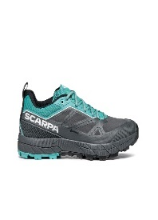 #REF! | D | 113 | SI | SS | FL | S3001 APPROACH | 72701-202 | 0002 | 00002 | GTX | RAPID GTX WMN ANTHRACITE-TURQUOISE Gore-tex ARSA AGILITY | 95.00 € | € 209.00 | € 7,733.00 | 37 | - | - | - | - | - | - | - | - | - | - | - | - | - |  |  |  | 3 | 3 | 4 | 4 | 5 | 5 | 5 | 4 | 3 | 1 |  |  |  |  |  | - | - | - | - | - | - | - | -
72700-200_0003 | 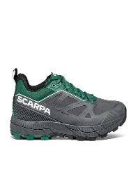 #REF! | D | 108 | NC | SS | UNISEX | S3001 APPROACH | 72700-200 | 0003 | 00003 | GTX | RAPID GTX ANTHRACITE- ALPINE GREEN Gore-tex ARSA AGILITY | 95.00 € | € 209.00 | € 627.00 | 3 | - | - | - | - | - | - | - | - | - | - | - | - | - | - | - | - | - | - | - | 1 | - | - | - | - | - | 2 | - | - | - | - | - | - | - | - | - | - | - | - | -
67070-202_0002 | manca | D | 76 | SI | SS | FL | S5001 BACKPACKING TREKKING | 67070-202 | 0002 | 00002 | GTX | ZG PRO GTX WMN WIDE DARK COFFEE- RED PLUM Gore-tex TRMLX SALIX TREK | 108.64 € | € 239.00 | € 3,107.00 | 13 | - | - | - | - | - | - | - | - | - | - | - | - | - | - | - | 3 | 1 | - | - | - | - | 1 | - | - | 1 | 7 | - | - | - | - | - | - | - | - | - | - | - | - | -
30031-202_0002 | 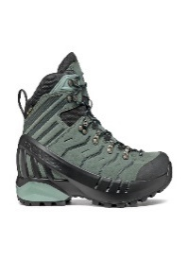 #REF! | D | 136 | SI | SS | FL | S5020 HIKING | 30031-202 | 0002 | 00002 | GTX | CYCLONE-S GTX WMN CONIFER Gore-tex TAI SHELL TREK | 113.18 € | € 249.00 | € 1,245.00 | 5 | - | - | - | - | - | - | - | - | - | - | - | - | - | - | - | - | - | 5 | - | - | - | - | - | - | - | - | - | - | - | - | - | - | - | - | - | - | - | - | -
63074-201_0003 | 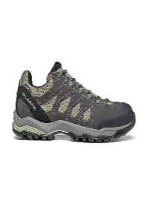 #REF! | D | 141 | SI | SS | UNISEX | S5020 HIKING | 63074-201 | 0003 | 00003 | GTX | MORAINE GTX LICHEN GREEN- STORM GRAY-GRAY Gore-tex GT DYNATECH | 85.91 € | € 189.00 | € 3,969.00 | 21 | - | - | - | - | - | - | - | - | - | - | - | - | - | - | - | - | - | - | - | - | - | - | - | 7 | 1 | 3 | - | - | - | 1 | - | - | - | 2 | 4 | 3 | - | - | -
33075-202_0003 | 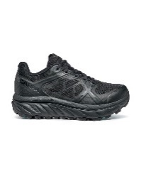 #REF! | D | 174 | SI | FW | FL | S5040 TRAIL RUNNING | 33075-202 | 0003 | 00003 | GTX | SPIN INFINITY GTX WMN BLACK Gore-tex ARSFW VELOX CROSS | 90.45 € | € 199.00 | € 8,358.00 | 42 | - | - | - | - | - | - | - | - | - | - | - | - | - | 2 | 2 | 4 | 5 | 8 | 5 | 3 | 4 | 5 | 1 | 1 | 1 | 1 | - | - | - | - | - | - | - | - | - | - | - | - | -
33078-202_0005 | manca | D | 223 | SI | FW | FL | S5040 TRAIL RUNNING | 33078-202 | 0005 | 00005 | GTX | RIBELLE RUN GTX WMN BLACK-BLACK Gore-tex ARSFW PRESA TRN-01 | 90.45 € | € 199.00 | € 10,547.00 | 53 | - | - | - | - | - | - | - | - | - | - | - | - | - | 4 | 1 | 4 | 5 | 6 | 4 | 5 | 3 | 6 | 5 | 4 | 3 | 3 | - | - | - | - | - | - | - | - | - | - | - | - | -
33078-201_0003 | manca | D | 219 | verificare arrivato campione colore 2 | FW | UNISEX | S5040 TRAIL RUNNING | 33078-201 | 0003 | 00003 | GTX | RIBELLE RUN GTX BLUE-SPICY ORANGE Gore-tex ARSF SPEED FORCE | 90.45 € | € 199.00 | € 9,154.00 | 46 | - | - | - | - | - | - | - | - | - | - | - | - | - | - | - | - | - | - | - | 1 | - | 1 | - | 3 | 1 | 3 | 1 | 5 | 1 | 8 | 3 | 9 | 2 | 4 | 1 | 3 | - | - | -
33078-201_0003 | manca | D | 219 | verificare arrivato campione colore 2 | FW | UNISEX | S5040 TRAIL RUNNING | 33078-201 | 0003 | 00003 | GTX | RIBELLE RUN GTX BLUE-SPICY ORANGE Gore-tex ARSF SPEED FORCE | 90.45 € | € 199.00 | € 9,154.00 | 46 | - | - | - | - | - | - | - | - | - | - | - | - | - |  |  |  |  |  |  |  |  | 2 |  | 4 | 1 | 3 | - | 6 | 1 | 8 | 3 | 8 | 2 | 4 | 1 | 3
32612-200_0001 | 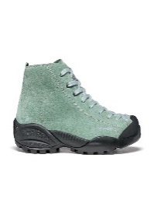 #REF! | D | 28 | NC | SS | UNISEX | S7001 URBAN OUTDOOR | 32612-200 | 0001 | 00001 | GTX | MOJITO MID GTX DUSTY GREEN Gore-tex BM SPIDER TREK | 76.82 € | € 169.00 | € 169.00 | 1 | - | - | - | - | - | - | - | - | - | - | - | - | - | - | 1 | - | - | - | - | - | - | - | - | - | - | - | - | - | - | - | - | - | - | - | - | - | - | - | -
32612-200_0006 | 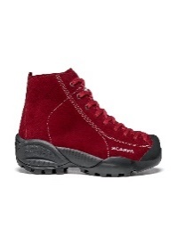 #REF! | D | 42 | SI | FW | UNISEX | S7001 URBAN OUTDOOR | 32612-200 | 0006 | 00006 | GTX | MOJITO MID GTX RED VELVET Gore-tex BM SPIDER TREK | 76.82 € | € 169.00 | € 1,014.00 | 6 | - | - | - | - | - | - | - | - | - | - | - | - | - | 1 | 2 | - | - | - | - | - | - | - | - | - | - | - | - | - | - | - | - | - | - | - | 1 | 2 | - | - | -
32676-200_0003 | 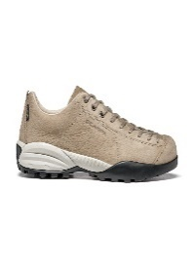 #REF! | D | 49 | SI | FW | UNISEX | S7001 URBAN OUTDOOR | 32676-200 | 0003 | 00003 | GTX | MOJITO URBAN GTX EARTH Gore-tex BM SPYDER CITY | 72.27 € | € 159.00 | € 3,339.00 | 21 | - | - | - | - | - | - | - | - | - | - | - | - | - | 2 | 3 | 5 | 6 | - | - | - | 1 | - | - | 1 | - | - | - | - | - | - | - | 1 | - | 1 | - | - | 1 | - | -
72603-350_0004 | 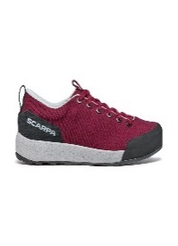 #REF! | D | 56 | SI | SS | UNISEX | S3001 APPROACH | 72603-350 | 0004 | 00004 | NO GTX | SPIRIT PURPLE-GRAY CUA RB REPTILIA 2 | 72.27 € | € 159.00 | € 4,929.00 | 31 | - | - | - | - | - | - | - | - | - | - | - | - | - | 16 | 13 | 2 | - | - | - | - | - | - | - | - | - | - | - | - | - | - | - | - | - | - | - | - | - | - | -
70018-002_0001 | 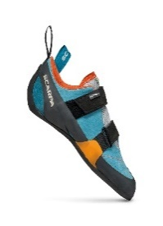 #REF! | D | 117 | SI | SS | FL | S4001 CLIMBING | 70018-002 | 0001 | 00001 | NO GTX | FORCE V WMN ICEFALL- MANDARIN RED ED . | 63.18 € | € 139.00 | € 12,788.00 | 92 | - | - | - | - | - | - | - | - | - | 1 | 2 | - | 2 | 3 | 2 | - | 1 | 1 | 8 | 11 | 22 | 12 | 16 | 10 | 1 | - | - | - | - | - | - | - | - | - | - | - | - | - | -
70058-002_0001 | 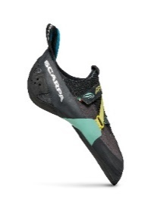 #REF! | D | 64 | SI | SS | FL | S4001 CLIMBING | 70058-002 | 0001 | 00001 | NO GTX | ARPIA WMN BLACK-AQUA FKW . | 58.64 € | € 129.00 | € 1,161.00 | 9 | - | - | - | - | - | - | - | - | - | - | 8 | - | 1 | - | - | - | - | - | - | - | - | - | - | - | - | - | - | - | - | - | - | - | - | - | - | - | - | - | -
70018-001_0002 | 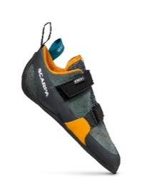 #REF! | D | 116 | SI | SS | UNISEX | S4001 CLIMBING | 70018-001 | 0002 | 00002 | NO GTX | FORCE V MANGROVE- PAPAYA FF . | 63.18 € | € 139.00 | € 5,421.00 | 39 | - | - | - | - | - | - | - | - | - | - | - |  |  | - | - | - | - | - | - | - |  | 3 | 4 | 5 | 3 | 4 | 4 | 1 | 8 | 1 | 1 | - | 1 | - | 2 | 1 |  | 1
70062-000_0001 | 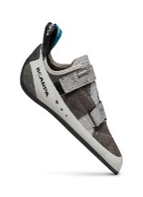 #REF! | D | 120 | NC | SS | UNISEX | S4001 CLIMBING | 70062-000 | 0001 | 00001 | NO GTX | ORIGIN COVEY-LIGHT GRAY FFX . | 54.09 € | € 119.00 | € 357.00 | 3 | - | - | - | - | - | - | - | - | - | - | - | - | - | - | - | - | - | - | 3 | - | - | - | - | - | - | - | - | - | - | - | - | - | - | - | - | - | - | - | -
70097-001_0001 | 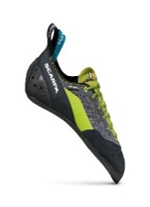 #REF! | D | 66 | SI | SS | UNISEX | S4001 CLIMBING | 70097-001 | 0001 | 00001 | NO GTX | MAESTRO ECO INK FY . | 63.18 € | € 139.00 | € 3,336.00 | 24 | - | - | - | - | - | - | - | - | - | - | - | - | - | - | - | 2 | - | 1 | - | - | - | - | - | - | - | - | - | - | - | - | - | - | - | - | - | - | - | 12 | 9
33076-352_0003 | 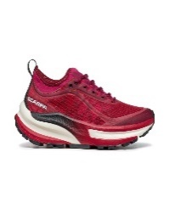 #REF! | D | 201 | SI | SS | FL | S5040 TRAIL RUNNING | 33076-352 | 0003 | 00003 | NO GTX | GOLDEN GATE ATR WMN RED ROSE-WHITE ATRW i-Respond | 75.00 € | € 165.00 | € 6,930.00 | 42 | - | - | - | - | - | - | - | - | - | - | - | - | - | 1 | - | 5 | 3 | 8 | 4 | 6 | 3 | 6 | 3 | 1 | 1 |  | 1 |  | - | - | - | - | - | - | - | - | - | - | -
33076-352_0008 | 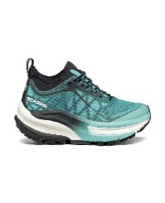 #REF! | D | 202 | SI | SS | FL | S5040 TRAIL RUNNING | 33076-352 | 0008 | 00008 | NO GTX | GOLDEN GATE ATR WMN ARUBA BLUE-BLACK ATRW i-Respond | 75.00 € | € 165.00 | € 8,745.00 | 53 | - | - | - | - | - | - | - | - | - | - | - | - | - | 1 | - | 4 | 2 | 8 | 4 | 9 | 5 | 9 | 5 | 4 | 1 | 1 |  |  | - | - | - | - | - | - | - | - | - | - | -
33071-351_0005 |  | D | 231 | SI |  | UNISEX | S5040 TRAIL RUNNING | 33071-351 | 0005 | 00005 | NO GTX | RIBELLE RUN NEON GREEN-ORANGE ARSF SPEED FORCE | 81.36 € | € 179.00 | € 10,024.00 | 56 | - |  |  |  |  |  |  |  |  |  |  |  |  |  |  |  |  |  |  | 1 |  |  | 1 | 2 | 3 | 5 | 4 | 5 | 4 | 4 | 6 | 7 | 5 | 5 | 2 | 1 | 1 |  | -
33076-351_0007 | 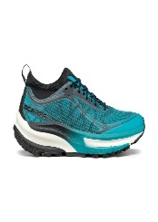 #REF! | D | 199 | SI | SS | UNISEX | S5040 TRAIL RUNNING | 33076-351 | 0007 | 00007 | NO GTX | GOLDEN GATE ATR AZURE-BLACK-BLACK ATR i-Respond | 75.00 € | € 165.00 | € 5,610.00 | 34 | - | - | - | - | - | - | - | - | - | - | - | - | - | - | - | - | - | - | - | - | - | - | - | 2 | 2 | 7 | - | 7 | 2 | 5 | 5 | 2 | - | 2 | - | - | - | - | -
33076-351_0009 | 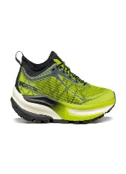 #REF! | D | 200 | SI | SS | UNISEX | S5040 TRAIL RUNNING | 33076-351 | 0009 | 00009 | NO GTX | GOLDEN GATE ATR ACID LIME-BLACK ATR i-Respond | 75.00 € | € 165.00 | € 5,115.00 | 31 | - | - | - | - | - | - | - | - | - | - | - | - | - | - | - | - | - | - | - |  | - | 1 | - | 4 | 1 | 4 | 1 | 7 | 1 | 6 | - | 3 | 1 | 2 | - | - | - | - | -
33078-351_0007 | 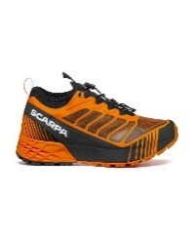 #REF! | D | 204 | SI | SS | UNISEX | S5040 TRAIL RUNNING | 33078-351 | 0007 | 00007 | NO GTX | RIBELLE RUN ORANGE-BLACK ARSF SPEED FORCE | 81.36 € | € 179.00 | € 1,074.00 | 6 | - | - | - | - | - | - | - | - | - | - | - | - | - | - | - | - | - | - | - | - | - | - | - | 1 | - | 1 | - | 1 | - | - | - | - | - | - | - | 2 | 1 | - | -
33079-352_0005 |  | D | 235 | SI |  | UNISEX | S5040 TRAIL RUNNING | 33079-352 | 0005 | 00005 | NO GTX | GOLDEN GATE KIMA RT WMN LIGHT GRAY- ARUBA BLUE ARKW i-PULSE | 99.55 € | € 219.00 | € 11,607.00 | 53 | - | - | - | - | - | - | - | - | - | - | - | - | - | 2 | 3 | 4 | 3 | 5 | 6 | 8 | 5 | 6 | 3 | 4 | 2 | 1 | 1 |  | - | - | - | - | - | - | - | - | - | - | -
24000_0004 | 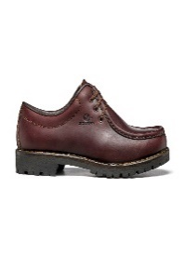 #REF! | D | 151 | SI | SS | UNISEX | S7001 URBAN OUTDOOR | 24000 | 0004 | 00004 | NO GTX | ANFIBIO MN 1147 | 140.45 € | € 309.00 | € 7,725.00 | 25 | - | - | - | - | - | - | - | - | - | - | - | - | - | - | - | - | - | - | 4 | 1 | 1 | - | - | 7 | - | - | - | 1 | - | - | - | - | 9 | 1 | - | - | 1 | - | -
24001-100_0005 |  | D | 237 | NC |  | UNISEX | S7001 URBAN OUTDOOR | 24001-100 | 0005 | 00005 | NO GTX | ANFIBIO LITE SHARK Leather MN 1147+MICRO+GUARDOLO | 135.91 € | € 299.00 | € 897.00 | 3 | - | - | - | - | - | - | - | - | - | - | - | - | - | - | - | - | - | - | - | - | - | - | - | - | 1 | 2 | - | - | - | - | - | - | - | - | - | - | - | - | -
32507-350_0017 |  | D | 228 | SI |  | UNISEX | S7001 URBAN OUTDOOR | 32507-350 | 0017 | 00017 | NO GTX | GECKO CITY BRIGHT FLAME BM SPEED TR | 63.18 € | € 139.00 | € 4,587.00 | 33 | - | - | - | - | - | - | - | - | - | - | - | - | - | - | - | 1 | 2 | 2 | 2 | 2 | 2 | 3 | 2 | 3 | 2 | 2 | 1 | 2 | 1 | 3 |  | 1 | 1 | 1 | - | - | - | - | -
32616-350_0005 | 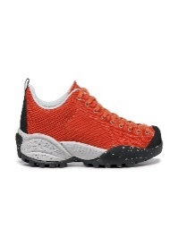 #REF! | D | 102 | SI | FW | UNISEX | S7001 URBAN OUTDOOR | 32616-350 | 0005 | 00005 | NO GTX | MOJITO PLANET-FABRIC KAKO BM SPIDER RECYCLED NO TREATMENT | 58.64 € | € 129.00 | € 6,579.00 | 51 | - | - | - | - | - | - | - | - | - | - | - | - | - | - | 3 | 1 | 2 | 43 | - | - | - | 2 | - | - | - | - | - | - | - | - | - | - | - | - | - | - | - | - | -
32626-350_0002 | 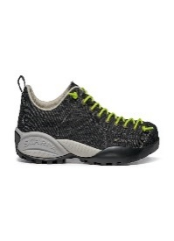 #REF! | D | 29 | SI | SS | UNISEX | S7001 URBAN OUTDOOR | 32626-350 | 0002 | 00002 | NO GTX | MOJITO DENIM BLACK BM SPIDER | 54.09 € | € 119.00 | € 4,998.00 | 42 | - | - | - | - | - | - | - | - | - | - | - | - | - | - | - | 7 | - | 8 | - | - | - | 20 | - | - | - | - | - | - | - | - | - | - | - | 7 | - | - | - | - | -
32706-350_0001 | 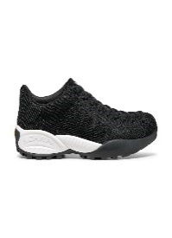 #REF! | D | 166 | SI | FW | UNISEX | S7001 URBAN OUTDOOR | 32706-350 | 0001 | 00001 | NO GTX | MOJITO BIO BLACK BM SPIDER BIO NO TREATMENT | 76.82 € | € 169.00 | € 5,408.00 | 32 | - | - | - | - | - | - | - | - | - | - | - | - | - | 1 | 1 | 1 | 2 | 2 | 1 | 3 | 2 | 1 | 1 |  | 1 | 1 | 2 | 2 | 2 | 2 | 1 | 2 | 1 | 1 |  | 1 | 1 | - | -
32706-350_0002 | 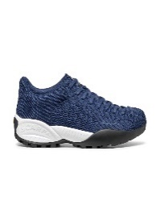 #REF! | D | 165 | SI | SS | UNISEX | S7001 URBAN OUTDOOR | 32706-350 | 0002 | 00002 | NO GTX | MOJITO BIO NIGHT BLUE BM SPIDER BIO NO TREATMENT | 76.82 € | € 169.00 | € 19,435.00 | 115 |  |  |  |  |  |  |  |  |  |  |  |  |  | 4 | 3 | 7 | 4 | 9 | 5 | 8 | 6 | 5 | 5 | 3 | 1 | 5 | 3 | 8 | 2 | 8 | 4 | 7 | 3 | 7 | 1 | 4 | 3 |  | -
32706-350_0004 | 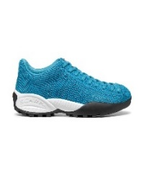 #REF! | D | 162 | SI | SS | UNISEX | S7001 URBAN OUTDOOR | 32706-350 | 0004 | 00004 | NO GTX | MOJITO BIO AZURE BM SPIDER BIO NO TREATMENT | 76.82 € | € 169.00 | € 14,534.00 | 86 | - | - | - | - | - | - | - | - | - | - | - | - | - | 5 | 3 | 7 | 3 | 7 | 4 | 9 | 4 | 8 | 4 | 7 | 3 | 5 | 2 | 3 | 2 | 2 | 2 | 2 | 1 | 1 | 1 | 1 | - | - | -
32706-350_0006 | 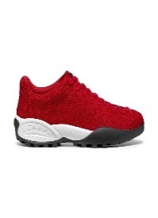 #REF! | D | 163 | SI | SS | UNISEX | S7001 URBAN OUTDOOR | 32706-350 | 0006 | 00006 | NO GTX | MOJITO BIO RED BM SPIDER BIO | 76.82 € | € 169.00 | € 10,816.00 | 64 |  |  |  |  |  |  |  |  |  |  |  |  |  | 2 | 3 | 3 | 3 | 4 | 4 | 5 | 5 | 4 | 5 | 4 | 4 | 3 | 2 | 3 | 2 | 2 | 1 | 1 | 1 | 1 |  | 1 | 1 |  | -

 |  |  |  |  |  |  |  |  |  |  |  |  |  |  |  |  |  |  |  |  |  |  |  |  |  |  |  |  |  |  |  |  |  |  |  |  |  |  |  |  |  |  |  |  |  |  |  |  |  |  |  |  |  |  |  | gia

